Index
Common Substances
Common Treatments
Miscellaneous

Blood Gas Analysis & Gaps
APAP Tablets and Liquid
IPA
DigiFab Dosing
ASA
Iron
Fomepizole & Cofactors
Lab Conversions

Salicylate Equivalents
Lidocaine (i.e. Polysporin)
HIE (High-Dose insulin Euglycemia)
Unit/Date/Time Conversions

Bismuth Subsalicylate
Bismuth Subsalicylate
NSAIDs
Lipid Dosing
Version Number/LOCKED

Benzocaine
Menthol
NEW NAC 2026 Dosing
Programming Information/Do not Use

Borax
Sodium Chloride
NEW OPC APAP Nomogram
Camphor
Tea Tree Oil
NAC Comparison Calculator

DEET
Vitamin A

Diphenhydramine
Retinol -- Vitamin A Equivalent

Ethylene Glycol & Methanol
Vitamin D

EtOH
% Calculations (w/w or w/v)
Fluoride
% Calculations (v/v)

Imidazoline (i.e Otrivin)
Uncategorized Calculations

APAP
Back to Index
Back to Index

*Single Acute Acetaminophen Tablet Calculations |  |  | *Single Acute Acetaminophen Liquid Calculations

NOTE: The Usual Formulations are:
160 mg/5 mL = 32 mg/mL
80 mg/mL
Patient Weight (kg) |  | NOTE: IF 650 mg tablets, these are SLOW release and require labs at 4, 8, 12 hours post-ingestion only IF the 4 hour or 8 hour levels are not toxic but detecable | Patient Weight (kg)
Tablet Formulation in (mg/tablet) |  |  | Liquid Formulation (mg/ml)
Number of Tablets Ingested (if known) | 10.0 |  | mL Ingested (if known)

Toxic Dose in (mg/kg) | 200 |  | Toxic Dose (mg/kg) | 200
Calculated Toxic Dose (mg) | 0.0 |  | Calculated Toxic Dose (mg) | 0.0
Total mg Ingested by Pt | 0.0 |  | Total mg Ingested by Pt | 0.0
mg/kg Ingested | #DIV/0! |  | mg/kg Ingested | #DIV/0!
# of Tablets Needed to be Toxic | #DIV/0! |  | # of mL Needed to be Toxic | #DIV/0!

NOTE: Repeated Supratherapeutic Ingestion
• Ingestion period >24–48 hours: ≥6 g/day or ≥150 mg/kg/day (whichever is less) • Ingestion period >48 hours: o Children <6 years: ≥4 g/day or ≥100 mg/kg/day (whichever is less) o Adults with pre-existing hepatic disease, alcohol misuse, malnutrition, or use of enzyme-inducing drugs (phenobarbital, primidone, phenytoin, INH, rifampin, carbamazepine): ≥4 g/day or ≥100 mg/kg/day o All other adults and children ≥6 years: ≥ 6 g/day

ASA
Back to Index

ASA Tablet Calculations

Patient Weight (kg)
Tablet Formulation (mg)
Number of Tablets Ingested (if known)

Toxic Dose (mg/kg) | 150
Calculated Toxic Dose (mg) (max 6500mg) | 0.0 | Max: 6500 mg
Total mg Ingested by Pt | 0.0
mg/kg Ingested | #DIV/0!
# of Tablets Needed to be Toxic | #DIV/0! | Max: 6500 mg Equivalent

Salicylate Equivalents
Back to Index

 | Salicylate Equivalent Calculations
 | Using ACF values from Micromedex
 | % of Product/100 x ACF x 1000mg = mg/mL of Product Toxic Dose divided mg/mL of Product = mL to be Toxic.

 | Patient Weight in (kg)
 | Amount Ingested (mL) (if known)
 | % of Benzyl Salicylate |  | Benzyl Salicylate ACF: 0.9246
 | % of Homosalate |  | Homosalate ACF: 0.7154
 | % of Methyl Salicylate |  | Methyl Salicylate ACF: 1.3978
 | % of Octyl Salicylate |  | Octyl Salicylate ACF: 0.7303
 | % of Salicylic Acid |  | Salicylic Acid ACF: 1.3043
 | Other % |  | User must input % of substance in this cell as well as corresponding ACF in "Other ACF" cell D16 if using "other" section
 | Other ACF |  | User must input ACF in this cell as well as corresponding % in "Other %" cell D15 if using other section

 | Toxic Dose (mg/kg) | 150.00
 | Calculated Toxic dose (mg) | 0 | Max: 6500 mg
 | Total mg ASA Ingested by Pt | 0.00
 | mg/kg ASA Ingested | #DIV/0!
 | # of mL Needed to be Toxic | #DIV/0! | Max: 6500 mg Equivalent

Reference:
https://www.micromedexsolutions.com/micromedex2/librarian/
Go to Salicylates-> Calculations

Bismuth Subsalicylate
Back to Index

 | Bismuth Subsalicylate Tablets - ACF = 0.4975 |  | Bismuth Subsalicylate Liquid - ACF = 0.4975

 | Patient Weight (kg) |  | Patient Weight (kg)
 | Tablet Formulation (mg) |  | Liquid Formulation (mg/mL) |  | Typical Forumulations: = 262 mg/15 mL = 17.5 mg/mL = 525 mg/15 mL = 35 mg/mL
 | Number of Tablets Ingested (if known) |  | Number of mL Ingested (if known)

 | Toxic Dose (mg/kg) | 150 | Toxic Dose (mg/kg) | 150
 | Calculated Toxic Dose (mg) | 0.0 | Calculated Toxic Dose (mg) | 0.0
 | Total mg Ingested by Pt | 0.0 | Total mg Ingested by Pt | 0.0
 | mg/kg Ingested | #DIV/0! | mg/kg Ingested | #DIV/0!
 | # of Tablets Needed to be Toxic | #DIV/0! | # of mL Needed to be Toxic | #DIV/0!

Reference:
https://www.micromedexsolutions.com/micromedex2/librarian/
Go to Salicylates-> Calculations

Benzocaine
Back to Index

Benzocaine Calculations

Patient Weight (kg)
% of Substance in Product
mL of Product Ingested (if known) |  | NOTE: Margaret is reviewing this amount. MDX = 20-40 mg and Toxinz is 100 mg. For now use 20 mg/kg or if symptomatic - refer to ED

Toxic Dose (mg/kg) | 20.0
Calculated Toxic Dose (mg) | 0.0
mg of Substance/mL of Product | 0.0 | Note: % conversion to mg/mL = %/100 x 1000 mg
Total mg of Substance Ingested | 0.0
mg/kg of Substance Ingested | #DIV/0!
# of mL of Product Needed to be Toxic | #DIV/0!

Borax
Back to Index

 | Borax Calculations if Borax is Listed as g |  |  |  | Borax Calculations if Borax Listed as %

 | Patient Weight (kg) |  |  |  | Patient Weight (kg)
 | Borax Formulation (g/tsp) (if known) |  |  | Use 4.4 g if unknown | % of Substance in Product
 | mL ingested (if known) |  |  |  | mL of Product Ingested (if known)

 | Toxic Dose (mg/kg) | 75.00 |  | Toxic Dose per Toxinz 75 mg/kg approved by Dr. Thompson. | Toxic Dose (mg/kg) | 75.00
 | Calculated Toxic Dose (mg) | 0.00 |  |  | Calculated Toxic Dose (mg) | 0.00
 | mg/mL of Borax | 0.00 |  |  | mg of Substance/mL of Product | 0.000 | Note: % conversion to mg/mL = %/100 x 1000 mg
 | Total mg Ingested by Pt | 0.00 |  |  | mg of Substance Ingested | 0.00
 | mg/kg Ingested | #DIV/0! |  |  | mg/kg of Substance Ingested | #DIV/0!
 | # of mL Needed to be Toxic | #DIV/0! |  |  | # of mL of Product Needed to be Toxic | #DIV/0!

Reference Per Micromedex: Toxic Dose is not well established; 2-3 g in infants, 5-6 g in Children and 15-20 g in adults
 |  | Bulk Density g/mL | AMT/TSP
Crystal |  | 0.786 | 3.9 g
Powder |  | 0.593 | 2.9 g
Granules |  | 0.882 | 4.4 g

Camphor
Back to Index

Camphor Calculations

Patient Weight (kg)
% of Substance in Product
mL of Product Ingested (if known)

Toxic Dose (mg/kg) | 30.0
Calculated Toxic Dose (mg) | 0.0
mg of Substance/mL of Product | 0.0 | Note: % conversion to mg/mL = %/100 x 1000 mg
Total mg of Substance Ingested | 0.0
mg/kg of Substance Ingested | #DIV/0!
# of mL of Product Needed to be Toxic | #DIV/0!

DEET
Back to Index
Back to Index

DEET Calculations

Patient Weight (kg)
% of Substance in Product
mL of Product Ingested (if known)

Toxic Dose mg/kg | 50.0
Calculated Toxic Dose in mg | 0.0
mg of Substance/mL of Product | 0.0 | Note: % conversion to mg/mL = %/100 x 1000 mg
mg of Substance Ingested | 0.0
mg/kg of Substance Ingested | #DIV/0!
mL of Product Needed to be Toxic | #DIV/0!

Diphenhydramine
Back to Index

Diphenhydramine Tablet Calculations |  | Diphenhydramine Liquid Calculations

Patient Weight (kg) |  | Patient Weight (kg)
Tablet Formulation (mg) |  | Liquid Formulation (mg) |  | Formulation: 12.5 mg/5 mL = 2.5 mg/mL 6.25 mg/5 mL = 1.25 mg/mL
Number of Tablets Ingested (if known) |  | Number of mL Ingested (if known)

Toxic Dose (mg/kg) | 7.50 | Toxic Dose (mg/kg) | 7.50
Calculated Toxic Dose (mg) | 0 | Calculated Toxic Dose (mg) | 0
Total mg Ingested by Pt | 0.0 | Total mg Ingested by Pt | 0.0
mg/kg Ingested | #DIV/0! | mg/kg Ingested | #DIV/0!
# of Tablets Needed to be Toxic | #DIV/0! | # of mL Needed to be Toxic | #DIV/0!

 | Note: Diphenhydramine is toxic at 7.5 mg/kg or 300 mg total per Toxinz

Ethylene Glycol & Methanol
Back to Index

Ethylene Glycol & Methanol Calculation
# mL = ( 15 x weight in kg ) / ( % EG or MeOH )

Pt Weight in (kg)
% of Product expressed as a number eg: 5% = 5
# of mL Needed to be Toxic | #DIV/0!

EtOH
Back to Index

EtOH

Patient Weight (kg)
% of EtOH in Product
mL of Product Ingested (if known)

Toxic Dose (mL/kg) | 1.00 | Per Dr. Thompson: Toxic Dose 1mL/kg
Calculated Toxic Dose (mL) | 0.00
# mL of EtOH/mL of Product | 0.00 | Note: % conversion to mL of ETOH/mL = %/100
mL of EtOH Ingested | 0.00
mL/kg of EtOH Ingested | #DIV/0!
# of mL of Product Needed to be Toxic | #DIV/0!

Fluoride
Back to Index

 | Fluoride Equivalents Calculation
 | Using CONSTANT values from Micromedex

 | Patient Weight in (kg)
 | Amount Ingested (oz) (if known)
 | % of Sodium Fluoride |  | Na Fluoride Constant: 128
 | % of Sodium Monofluorophosphate |  | NaMFP Constant: 37
 | % Stannous Fluoride |  | Stannous Fluoride Constant: 69

 | Toxic dose (mg/kg) | 5 | Toxic Dose of 5 mg/kg confirmed by Dr. Thompson June 2020
 | Calculated Toxic Dose (mg) | 0
 | Total Elemental Fluoride Ingested | 0.00
 | Elemental Fluoride Ingested (mg/kg) | #DIV/0!
 | # of oz Needed to be Toxic | #DIV/0!
 | # of g Needed to be Toxic | #DIV/0!

Per Micromedex References:
Equation (concentration in %) x (amount ingested in oz) x (constant) = mg of Elemental Fluoride ÷ weight (kg) = mg/kg

Imidazoline
Back to Index

Imidazoline Calculations - "Otrivin"

Patient Weight (kg)
% of Substance in Product
mL of Product Ingested (if known)

Toxic Dose (mg/kg) | 0.4
Calculated Toxic Dose (mg) | 0.0
mg of Substance/mL of Product | 0.0 | Note: % conversion to mg/mL = %/100 x 1000 mg
mg of Substance Ingested | 0.0
mg/kg of Substance Ingested | #DIV/0!
# of mL of Product Needed to be Toxic | #DIV/0!

IPA
Back to Index

Isopropyl Alcohol - IPA

Patient Weight (kg)
% of IPA in Product
mL of Product Ingested (if known)

Toxic Dose (mL/kg) | 0.5 | Per Dr. Thompson: Toxic Dose 0.5 mL/kg
Calculated Toxic Dose (mL) | 0.0
# mL of IPA/mL of Product | 0.00 | Note: % conversion to mL of IPA/mL = %/100
mL of IPA Ingested | 0.0
mL/kg of IPA Ingested | #DIV/0!
# of mL of Product Needed to be Toxic | #DIV/0!

Iron
Back to Index

 | Iron Tablet Calculations |  |  | Iron Liquid Calculations

 | Patient Weight in (kg) |  |  | Patient Weight in (kg)
 | Amount Ingested (Tablets) (if known) |  |  | Amount Ingested (mL) (if known)
 | Ferrous Fumarate Tablets in (mg) |  | ÷ 3 in the calculation | Ferrous Fumarate in (mg/mL) |  | ÷ 3 in the calculation
 | Ferrous Sulfate Tablets in (mg) |  | ÷ 5 in the calculation | Ferrous Sulfate (mg/mL) |  | ÷ 5 in the calculation
 | Ferrous Gluconate Tablets in (mg) |  | ÷ 9 in the calculation | Ferrous Gluconate (mg/mL) |  | ÷ 9 in the calculation
 | Ferrous Bisglycinate in (mg) |  | ÷ 3.65 per Toxinz
 |  |  |  | Toxic Dose of Elemental Iron (mg/kg) | 40
 | Toxic Dose of Elemental Iron (mg/kg) | 40 |  | Calculated Toxic dose of Elemental Iron (mg) | 0
 | Calculated Toxic dose of Elemental Iron (mg) | 0.00 |  | Total mg Elemental Iron Ingested | 0.00
 | Total mg Elemental Iron Ingested | 0.00 |  | mg/kg Elemental Iron Ingested | #DIV/0!
 | mg/kg Elemental Iron Ingested | #DIV/0! |  | # of mL Needed to be Toxic | #DIV/0!
 | # of Tablets Needed to be Toxic | #DIV/0!

Reference
https://www2.gov.bc.ca/assets/gov/health/practitioner-pro/bc-guidelines/iron-deficiency-appendix-d.pdf

Lidocaine
Back to Index

Lidocaine Calculations

Patient Weight (kg)
% of Substance in Product
mL of Product Ingested (if known)

Toxic Dose (mg/kg) | 6.00
Calculated Toxic Dose (mg) | 0.00
mg of Substance/mL of Product | 0.00 | Note: % conversion to mg/mL = %/100 x 1000 mg
mg of Substance Ingested | 0.00
mg/kg of Substance Ingested | #DIV/0!
# of mL of Product Needed to be Toxic | #DIV/0!

NSAIDs
Back to Index
Back to Index

NSAID Calculations |  |  | NSAID Liquid Calculations

Patient Weight (kg) |  |  | Patient Weight (kg) |  | Select from drop down menu
Type of NSAID Tablet |  | Select from drop down menu | Type of NSAID
Tablet Formulation (mg/tab) |  |  | Liquid Formulation (mg/mL) |  | NOTE: Take liquids down to mg/mL eg. Ibuprofen = 100 mg/5 mL = 20 mg/mL
Number of Tablets Ingested (if known) |  |  | mL Ingested (if known)

Toxic Dose (mg/kg) |  |  | Toxic Dose (mg/kg)
Calculated Toxic Dose (mg) | #VALUE! |  | Calculated Toxic Dose (mg) | #VALUE!
Total mg Ingested by Pt | 0.0 |  | Total mg Ingested by Pt | 0.0
mg/kg Ingested | #DIV/0! |  | mg/kg Ingested | #DIV/0!
# of Tablets Needed to be Toxic | #VALUE! |  | # of mL Needed to be Toxic | #VALUE!

Menthol
Back to Index

Menthol Calculations

Patient Weight (kg)
% of Substance in Product
mL of Product Ingested (if known)

Toxic Dose (mg/kg) | 30.0
Calculated Toxic Dose (mg) | 0.0
mg of Substance/mL of Product | 0.0 | Note: % conversion to mg/mL = %/100 x 1000 mg
Total mg of Substance Ingested | 0.0
mg/kg of Substance Ingested | #DIV/0!
# of mL of Product Needed to be Toxic | #DIV/0!

Sodium Chloride
Back to Index
Back to Index
Back to Index
Back to Index

Sodium Chloride Calculations

Patient Weight (kg)
# of mL of Sodium Ingested (if known)
mg/mL of Sodium |  | Per Toxinz: 7.25 g sodium chloride/5 mL = 1450 mg/mL

Toxic Dose (mg/kg) | 500.00
Calculated Toxic Dose (mg) | 0.00
Total mg Ingested by Pt | 0.00
mg/kg Ingested | #DIV/0!
# of mL Needed to be Toxic | #DIV/0!

Tea Tree Oil
Back to Index

Tea Tree Oil - Pediatric Ingestions

Patient Weight (kg)
% of Substance in Product
mL of Product Ingested (if known)

Toxic Dose (mL/kg) | 0.25
Calculated Toxic Dose (mL) | 0.0
mL of Substance/mL of Product | 0.0 | Note: % conversion to mg/mL = %/100
mL of Substance Ingested | 0.0
mL/kg of Substance Ingested | #DIV/0!
# of mL of Product Needed to be Toxic | #DIV/0!

Vitamin A
Back to Index
Back to Index
Back to Index
Back to Index
Back to Index
Back to Index
Back to Index
Back to Index

 | CHILDREN Vitamin A and Beta Carotene in RAE (Retinol Activity Equivalents)/mcg vs IU * New Labelling |  |  |  |  | ADULT Vitamin A and Beta Carotene in RAE (Retinol Activity Equivalents)/mcg vs IU * New Labelling

 |  |  |  |  |  | Vitamin A per Tablet |  | RAE/mcg | Choose IU or mcg from drop down menu
 | Vitamin A per Tablet |  | IU |  | Choose IU or mcg from drop down menu | Beta Carotene Tablet |  | RAE/mcg
 | Beta Carotene Tablet |  | RAE/mcg |  |  | Total Vitamin A per Tablet | 0.00 | RAE/mcg
 | Total Vitamin A per Tablet | 0.00 | IU |  |  | Number of Tablets Ingested (if known)
 | Number of Tablets Ingested (if known) |  |  |  |  | Toxic Dose in RAE (mcg) | 300000.00 | RAE/mcg
 | Toxic Dose in RAE (mcg) | 90000.00 | RAE (mcg) |  |  | Toxic Dose in IU | 1000000.00 | IU
 | Toxic Dose in IU | 300000.00 | IU |  |  | Calculated Total Dose Ingested by Pt | 0.00 | RAE/mcg
 | Calculated Total Dose Ingested by Pt | 0.00 | IU |  |  | # of Tablets Needed to be Toxic | #DIV/0!
 | # of Tablets Needed to be Toxic | #DIV/0!

 | Conversion for Vitamin A RAE/mcg to IU
 | Vitamin A | Units Known | Units Needed | Equals
 |  | IU | RAE/mcg | 0.0
 | Beta Carotene | Units Known | Units Known
 |  | IU | RAE/mcg | 0.0
 | Vitamin A 1 IU = 0.3 mcg
 | Beta Carotene 1 IU = 0.6 mcg

Per email from Margaret in 2019: The FDA has new reporting requirements… These are NOT Health Canada enforced (but may follow soon.) Vitamin A content of supplements will now be reported in RAE’s (retinol activity equivalents) (effective Jan 1, 2020). (Some companies have been given an extension until Jan 1, 2021.) For pediatrics, the Toxinz intervention level (send to hospital) is 300,000 IU = 90,000 RAEs for both retinol & supplementary beta-carotene. For adults, the intervention level in Toxinz (send to hospital) is 1,000,000 IU = 300,000 RAEs (for both retinol & supplementary beta-carotene).

Retinol - Vitamin A Equiv
Back to Index

Retinol Creams/Lotions or Liquids - Vitamin A Equivalents |  | Retinol Creams/Lotions or Liquids - Vitamin A Equivalents
Pediatric |  | Adult

NOTE: 1 RAE = 1 mcg = 0.001 mg |  | NOTE: 1 RAE = 1 mcg = 0.001 mg

% of Substance in Product |  | % of Substance in Product
mL of Product Ingested (if known) |  | mL of Product Ingested (if known)
Toxic Dose in mg (Toxinz) | 90 | Toxic Dose in mg (Toxinz) | 300
Toxic Dose in RAE/mcg | 90000 | Toxic Dose in RAE/mcg | 300000

RAE/mcg of Substance/mL of Product | 0.00 | RAE/mcg of Substance/mL of Product | 0.00
RAE/mcg of Substance Ingested | 0.00 | RAE/mcg of Substance Ingested | 0.00
# of mL of Product Needed to be Toxic | #DIV/0! | # of mL of Product Needed to be Toxic | #DIV/0!

Vitamin D
Back to Index
Back to Index
Back to Index
Back to Index
Back to Index
Back to Index
Back to Index
Back to Index

Vitamin D Tablets |  |  |  | Conversion for Vitamin D mcg to IU
 |  |  |  | Vitamin D/TAB/Drop | Units Known | Units Needed | Equals
Vitamin D per Tablet |  | IU |  |  | IU | mcg | 0.000 | Select units from the drop down arrows
Number of Tablets Ingested (if known) |  |  |  | Vitamin D 1 mcg = 40 IU
Toxic Dose | 600000 | IU
Calculated Total Dose Ingested by Pt | 0.00 | IU
# of Tablets Needed to be Toxic | #DIV/0!
 |  |  |  | Conversion for mcg to mg
 |  |  |  | Amount in mcg |  | Amount in mg
 |  |  |  |  |  | 0.00

Vitamin D Liquid
 |  |  | PLEASE NOTE: Toxinz recently removed the acute dosing from their "refer to hospital if > 600,00 IU" section. However, Dr. MacKenzie and Dr. Thompson agree with Toxinz recommendation further down the page: Decontamination with activated charcoal is unlikely to be required following acute accidental overdoses of vitamin D. It can be considered if a large acute overdose occurs (ingestions > 600,000 IU (15 mg) vitamin D or derivative). Consider consulting for all chronic vitamin D exposures.
...

% Calculations (ww or wv)
Back to Index

*W/W or W/V Calculations - Uncategorized

Patient Weight (kg)
% of Substance in Product
mL of Product Ingested (if known)
Toxic Dose (mg/kg)

Calculated Toxic Dose (mg) | 0.00
mg of Substance/mL of Product | 0.00 | Note: % conversion to mg/mL = %/100 x 1000 mg
...

% Calculations (vv)
Back to Index

*V/V Calculations - Uncategorized

Patient Weight (kg)
% of Substance in Product
mL of Product Ingested (if known)
Toxic Dose (mL/kg)

Calculated Toxic Dose (mL) | 0.00
mL of Substance/mL of Product | 0.00 | Note: % conversion to mg/mL = %/100
...

Uncategorized Calculations
Back to Index
Back to Index

Uncategorized Tablet Medication Calculation |  | Uncategorized Liquid Medication Calculation

Patient Weight (kg) |  | Patient Weight (kg)
Tablet Formulation (mg) |  | Liquid Formulation (mg/ml)
Number of Tablets Ingested (if known) |  | mL Ingested (if known)
Toxic Dose (mg/kg) |  | Toxic Dose (mg/kg)

Calculated Toxic Dose (mg) | 0.0 | Calculated Toxic Dose (mg) | 0.0
...

DigiFab Dosing
Back to Index

DigiFab Calculation - CONSULT REQUIRED | DigiFab Calculation per Ingested Digoxin in (mg) - CONSULT REQUIRED
DigiFab Calculation to completely neutralize all of digoxin IF serum steady state level known | DigiFab Calculation to completely neutralize all of digoxin IF number of milligrams of digoxin ingested known

# vials = dig level (nmol/L) x 0.78 x wt (kg) / 100 | Ingested dose of tablets (in mg) multiplied by 0.8 (for 80% bioavailability) and divided by 0.5 mg per vial.

Patient Wt (kg)
Dig Level in nmol/L | Ingested Dose in mg
...

Fomepizole & Cofactors
Back to Index

Until Methanol Level is negligible & acidosis resolved
Fomepizole Dosing Calculations |  | Cofactors

Patient Wt (kg) |  | LEUCOVORIN | 1 mg/kg to MAX 100 kg of Body Wt | 2mg/kg to MAX 100 kg of body Wt

LOADING DOSE TIME "0" | Amount in mg | Leucovorin (or Folic Acid) 1-2 mg/kg over 30 minutes IV Q4-6H (assume max body Wt of 100 kg) | 0.0 | 0.0
15 mg/kg IV in 100 mL NS or D5W over 30 minutes | 0
 |  | THIAMINE
MAINTENANCE DOSES @ "12, 24, 36 Hours" | Amount in mg | ADULT: Thiamine 100 mg IV Q8H if patient is chronic alcoholic or if product is EG and level not known
10 mg/kg IV in 100 mL NS or D5W over 30 minutes to start 12 hours after loading dose AND Q12H x 4 doses total | 0 | CHILD: Thiamine 50 mg IV Q8H if patient is chronic alcoholic or if product is EG and level not known

 |  | PYRIDOXINE
 |  | Pyridoxine 50 mg IV Q6H if product is EG and level not known
...

HIE
Back to Index

High Dose Insulin Euglycemia Therapy (HIE) - Refer to Patient Resource Sheets

Potassium: Treat initial hypokalemia if present (K+ < 3 mmol/L or 3 mEq/L) per Hospital IV potassium replacement protocol. Monitor Q2H and replace if (< 3 mmol/L or 3 mEq/L)

Patient Weight (kg) | 0

Glucose: If initial blood Glucose is less than 11 mmol/L (200 mg/dL) consider administration of 50 mL D50W for adult. For children 2-4 mL/kg D25W see calculaton below
mL/kg of IV D25W for Children * | Total mL
...

Lipid Dosing
Back to Index

LIPIDS - Per the Lipid Rescitation Therapy (LRT) Intralipid®/Lipid Rescue Therapy Sheet

Patient Wt (kg) LEAN BODY WEIGHT

* May be infused via peripheral or central line; in-line filter NOT required
DOSE | Amount in mL
Bolus 20% Lipid Emulsion Infusion 1.5 mL/kg over 2-3 minutes | 0

If NO reponse, repeat bolus 1.5 mL/Kg IV over 2-3 minutes EVERY 5 minutes up to TWO times for persistent cardiovascular collapse | Amount in mL
 | 0

If NO response to boluses, discontinue lipid emulsion and consider alternative therapies

If response to bolus(es), follow with continuous infusion adjusted by roller clamp at 0.25 mL/kg/min (~18 mL/min; adjust by roller clamp) | mL/min
Run at 0.25 mL/kg/min | 0.0

Continue the infusion for at least 10 minutes after attaining circulatory stability
...

NEW NAC 2026 Dosing
Back to Index

NAC 3% NEW 2026 Dosing Calculations

Refer to Preparation of 3% NAC PDF sheet for different Patient Weight Categories
http://www.ontariopoisoncentre.ca/pdf/78797-How%20to%20Solution.pdf

Patient weight | kg

IV Rate Calculation
...

NEW OPC APAP Nonogram
 | New OPC APAP Nomogram - APRIL 2026

Acetaminophen Toxicity Nomogram
 | APAP Standard Line | APAP High Risk Line | Concentration
4 | 1000.00 | 4000.00
5 | 840.90 | 3363.59
6 | 707.11 | 2828.43
7 | 594.60 | 2378.41
8 | 500.00 | 2000.00
10 | 353.55 | 1414.21
12 | 250.00 | 1000.00
13 | 210.22 | 840.90
14 | 176.78 | 707.11
15 | 148.65 | 594.60
16 | 125.00 | 500.00
17 | 105.11 | 420.45
18 | 88.39 | 353.55
19 | 74.33 | 297.30
20 | 62.50 | 250.00
21 | 52.56 | 210.22
22 | 44.19 | 176.78
23 | 37.16 | 148.65
24 | 31.25 | 125.00
 |  |  |  | Hours | APAP Standard Line | APAP High Risk Line
 |  |  |  | 4 | 1000.00 | 4000.00
 |  |  |  | 5 | 840.90 | 3363.59
APAP Overdose Risk Assessment Chart |  |  |  | 6 | 707.11 | 2828.43
 |  |  |  | 7 | 594.60 | 2378.41
 |  |  |  | 8 | 500.00 | 2000.00
Acetaminophen lab value |  |  | µmol/L | 10 | 353.55 | 1414.21
Time between ingestion and APAP level drawn |  |  | hours | 12 | 250.00 | 1000.00
 |  |  |  | 13 | 210.22 | 840.90
Treatment Not Needed |  |  |  | 14 | 176.78 | 707.11
 |  |  |  | 15 | 148.65 | 594.60
 |  |  |  | 16 | 125.00 | 500.00
 |  |  |  | 17 | 105.11 | 420.45
 |  |  |  | 18 | 88.39 | 353.55
Lab Conversion for APAP |  |  |  | 19 | 74.33 | 297.30
 |  |  |  | 20 | 62.50 | 250.00
 |  |  |  | 21 | 52.56 | 210.22
APAP Level | Units Known | Units Needed | Equals | 22 | 44.19 | 176.78
10.00 | mg/L | µmol/L | 66.160 | 23 | 37.16 | 148.65
Undetectable Level <66 umol/L |  |  |  | 24 | 31.25 | 125.00

NAC Comparison Calculator
...
 | Total hours of NAC received | 0 | TOTAL HOURS
 | Total amount of NAC received in mg | 0 | mg
 | Total amount of NAC received in mg/kg | #DIV/0! | mg/kg

Example of 60 kg person who received 2.2 hours of Bolus NAC 3%, followed by 14.8 hours of High Risk NAC, followed by 6 hours of Typical NAC, which illustrates ~ similar amounts in the 3 scenarios!

Diagram 1 |  |  |  | Diagram 2
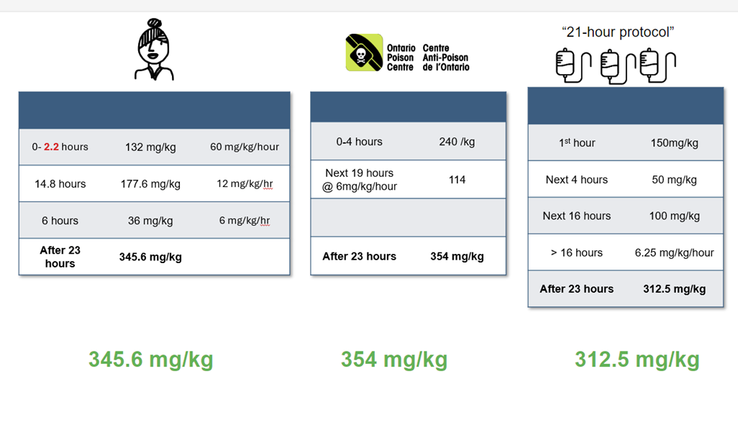
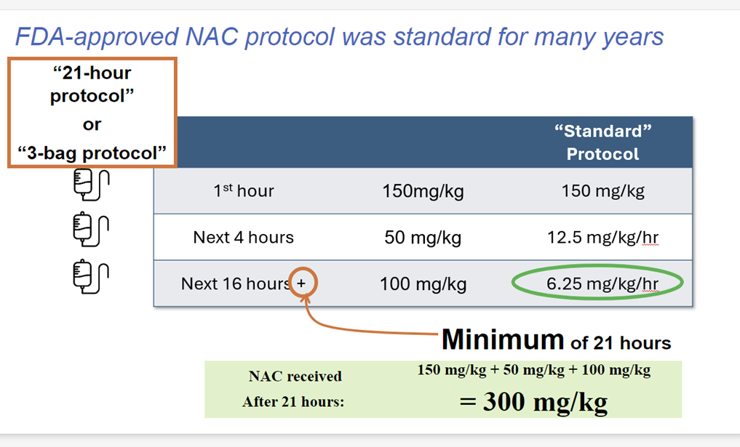

Blood Gas Analysis and Gaps
Back to Index
Back to Index

 |  |  |  |  | Normal Anion Gap 6-14
 | Blood Gas Analysis |  | Osmolar & Anion Gap Calculations
 |  |  |  |  | Serious Anion Gap >18
 | pH |  | Serum Osmolality
 | pCO2 |  | Na |  | Normal Osmolar Gap <10
 | HCO3 |  | Cl
 | Type | TRUE | CO2 from Lytes or HCO3 |  | CO2 from Lytes preferred for the calculation
 |  |  | BUN
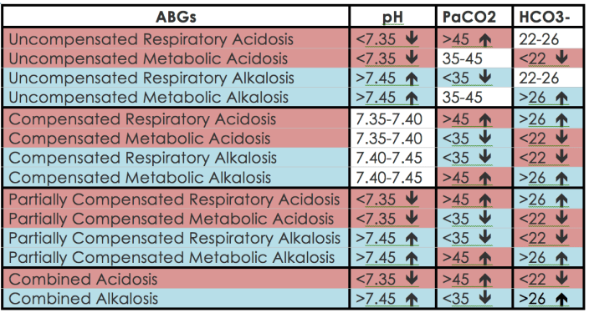
 |  |  | GLU
 |  |  | EtOH
 |  |  | Calculated EtOH (x 1.25) | 0 | Remember: If Toxic Alcohol is a concern; The patient is somewhat protected when EtOH is >23 mmol/L
 |  |  | Anion Gap | 0
 |  |  | Calculated Osmolality | 0
 |  |  | Osmolar Gap | 0

https://discover.hubpages.com/education/Arterial-Blood-Gases-ABGs-Simplified

Lab Conversions
Back to Index
 | Please use the drop down menus beside the units to achieve the desired unit equivalent
...
Lab Conversion for APAP
APAP Level | Units Known | Units Needed | Equals
 | mg/L | µmol/L | 0.000
Therapeutic Level <66 umol/L

Lab Conversion for Carbamazepine/Tegretol
...

Unit Conversions
Back to Index
...
Weight Conversions |  |  |  | Time Conversions
Amount | Units Known | Units Needed | Converted Value
 | oz | g | 0.00000000 | Start Time
 |  |  |  | Current Time
Volume Conversions |  |  |  | # of Hours Since Ingestion or Labs
Amount | Units Known | Units Needed | Converted Value
 | oz | oz | 0.0000 | Time in Hours
 |  |  |  | Time in Minutes
https://usma.org/correct-si-metric-usage# |  |  |  | Time in Seconds
...

Version
Back to Index
VERSION NUMBER | DATE CREATED | CHANGES MADE
1.000000 | 2020-10-29 | Program Launched
1.000001 | 2020-12-03 | Phenytoin, Carbamazepine added to Lab Conversions
1.000001 | 2020-12-03 | Useful Lab Links Added to Lab Conversions
1.000001 | 2020-12-03 | Therapeutic Levels added to Lab Conversions
1.000001 | 2020-12-03 | Menthol Calculation Added
1.000001 | 2020-12-03 | Benzocaine Calculation Added
1.000001 | 2020-12-03 | Minor Formatting Changes Made to several tabs
1.000002 | 2021-01-04 | Added Celecoxib to NSAIDs
1.000002 | 2021-01-04 | Changed NSAID tablet table to allow numbers to 1 decimal place
...

Do Not Use
Back to Index
Written Explanations of Formula's Used in Calculations for this Toxic Dose Calculator

1. Example of simple calculations include the weight x the toxic dose in a particular cell eg: C4*D4= the number
2. Conditional Formating to set maximums that set off visual reminders = red for toxic
3. Drop down boxes for Dose Formulatons - this is found in Data Validation and links back to this sheet
4. Maximum Entry allowed eg: Wt categories max 100 kg - found in Data Validation and set the rule
5. Maximum Dosing allowed eg: 50 mg Max - found in Formula - Logical - IF and put in statement's
6. To set hyperlink - make a box, right click and add hyperlink. May have to "set" the page 1st time.
7. To Hide and unhide colums and rows while in HOME tab select FORMAT and look at the options in the drop down box. Need to select the area needed to be hidden first.

